Dashboard
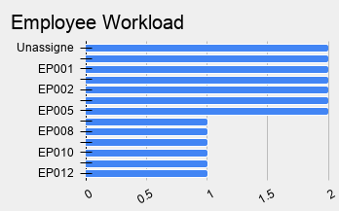
Parameters | Value | Parameters | Value | Parameters | Value | Stages of Enquiries | Count
Monthly Revenue | $1,800.00 | Late Jobs | 1 | New customers this month | 12 | Enquiries | 30
Outstanding Invoices | 3 | Customers waiting for a quote | 5 | Number of return customers | 10 | Quoted | 22
Late Invoices | 6 | Scheduled Jobs Today | 2 | Number of customers waiting for follow up | 5 | Converted | 16
Total Invoices | 18 | Jobs completed in the last 30 days | 6 |  |  | Completed | 10
Average Invoice Value | $165.83 | New Enquiries yesterday | 2 |  |  | Paid | 9
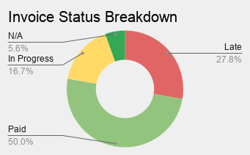
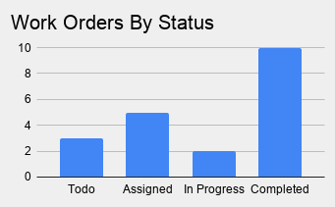
Enquiry Conversion Funnel

